NFL Fisher Price Little People
NFL Fischer Price Little People

Item # | Description | # Units | UPC
HVH13 | NFL PHILADELPHIA EAGLE LITTLE PEOPLE | 7,043 | 194735204007

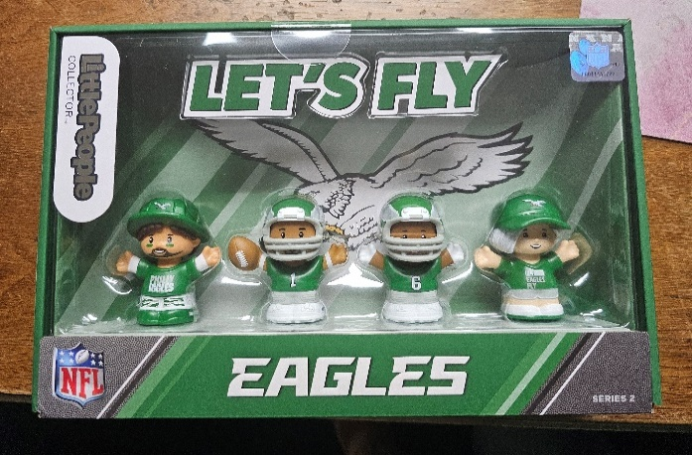

HVH19 | NFL CINCINNATI BENGAL LITTLE PEOPLE | 4,222 | 194735204137

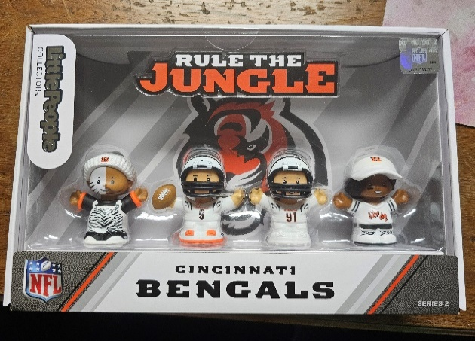

HVH21 | NFL KC CHIEFS LITTLE PEOPLE | 5,934 | 194735204052

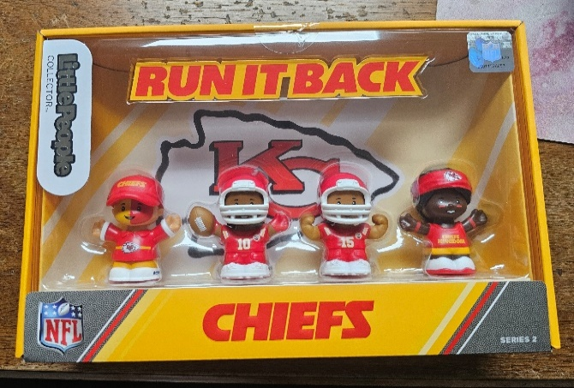

HVH23 | NFL DALLAS COWBOYS LITTLE PEOPLE | 3,979 | 194735203826

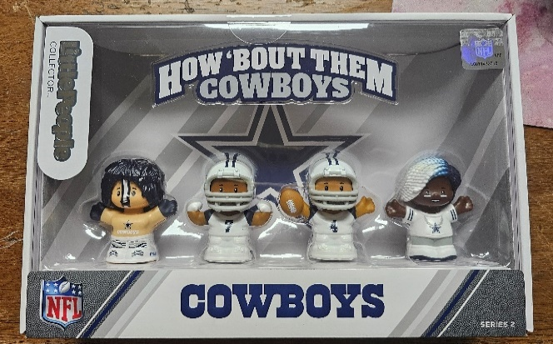

 |  | 21,178

